KJV Versions Count
KJV Forms of "repent" | Gen | Exo | Num | Deu | Jud | 1Sa | 2Sa | 1Ki | 1Ch | Job | Psa | Jer | Eze | Hos | Joe | Amo | Jon | Zec | Mat | Mar | Luk | Act | Rom | 2Co | 2Ti | Heb | 2Pe | Rev | TOTAL | Old Testament | New Testament
repent | 0 | 2 | 1 | 1 | 0 | 1 | 0 | 1 | 0 | 1 | 3 | 6 | 3 | 0 | 1 | 0 | 1 | 0 | 2 | 2 | 5 | 5 | 0 | 1 | 0 | 1 | 0 | 6 | 43 | 21 | 22
repentance | 0 | 0 | 0 | 0 | 0 | 0 | 0 | 0 | 0 | 0 | 0 | 0 | 0 | 1 | 0 | 0 | 0 | 0 | 3 | 2 | 4 | 5 | 2 | 2 | 1 | 3 | 1 | 0 | 24 | 1 | 23
repented | 1 | 1 | 0 | 0 | 0 | 1 | 1 | 0 | 1 | 0 | 1 | 4 | 0 | 0 | 0 | 2 | 1 | 1 | 6 | 0 | 2 | 0 | 0 | 1 | 0 | 0 | 0 | 4 | 27 | 14 | 13
repentest | 0 | 0 | 0 | 0 | 0 | 0 | 0 | 0 | 0 | 0 | 0 | 0 | 0 | 0 | 0 | 0 | 1 | 0 | 0 | 0 | 0 | 0 | 0 | 0 | 0 | 0 | 0 | 0 | 1 | 1 | 0
repenteth | 1 | 0 | 0 | 0 | 0 | 1 | 0 | 0 | 0 | 0 | 0 | 0 | 0 | 0 | 1 | 0 | 0 | 0 | 0 | 0 | 2 | 0 | 0 | 0 | 0 | 0 | 0 | 0 | 5 | 3 | 2
repenting | 0 | 0 | 0 | 0 | 0 | 0 | 0 | 0 | 0 | 0 | 0 | 1 | 0 | 0 | 0 | 0 | 0 | 0 | 0 | 0 | 0 | 0 | 0 | 0 | 0 | 0 | 0 | 0 | 1 | 1 | 0
repentings | 0 | 0 | 0 | 0 | 0 | 0 | 0 | 0 | 0 | 0 | 0 | 0 | 0 | 1 | 0 | 0 | 0 | 0 | 0 | 0 | 0 | 0 | 0 | 0 | 0 | 0 | 0 | 0 | 1 | 1 | 0
TOTAL | 2 | 3 | 1 | 1 | 0 | 3 | 1 | 1 | 1 | 1 | 4 | 11 | 3 | 2 | 2 | 2 | 3 | 1 | 11 | 4 | 13 | 10 | 2 | 4 | 1 | 4 | 1 | 10 | 102 | 42 | 60
 |  |  |  |  |  |  |  |  |  |  |  |  |  |  |  |  |  |  |  |  |  |  |  |  |  |  |  |  |  | 41% | 59%
KJV Forms of 'Repent' Per Book
KJV Forms of 'Repent' Per Testament

Repent
Hebrew and Greek for 'Repent'
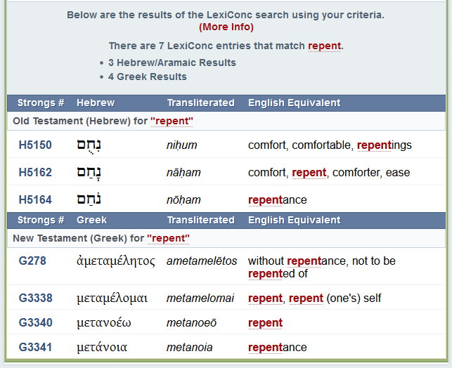
 | * source: https://www.biblegateway.com/quicksearch/?quicksearch=repent&version=KJV&resultspp=250
 | * 105 Bible results for “repent” from King James Version

